NOTES
Use most recent CIP table for program year being processed from here: K:\Limited8\DCAE_CCTCMIS\CIP Tables\CTE CIP Tables

Open "CIPLevelXxXx" table
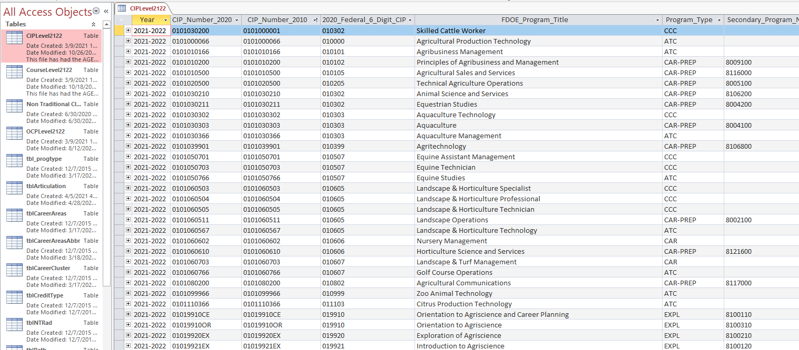

Filter CIP table by "Yes" in the Perkins_Fundable column. Located near the end of the CIP table columns.
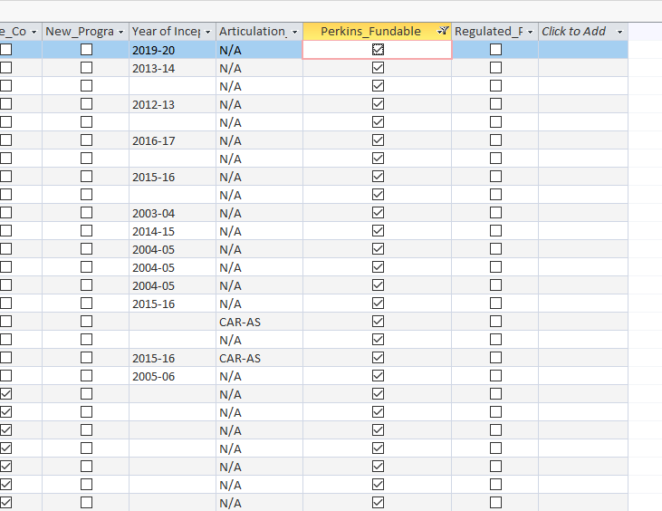

Filter CIP table by College_Credit_Hours for any hours less than 12

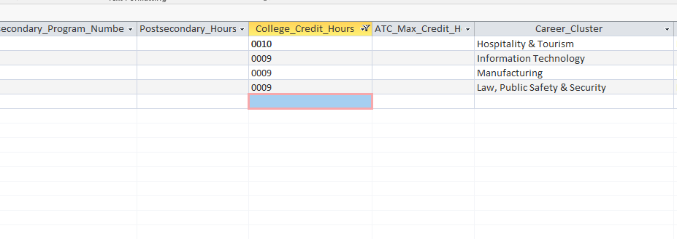

Insert final list on previous tab. Using columns visible as a guide.

