NOTES
Workbook will contain two years of information (current year being processed and previous year). Use most recent CIP table for current program year being processed from here: K:\Limited8\DCAE_CCTCMIS\CIP Tables\CTE CIP Tables

Open "CIPLevelXxXx" table
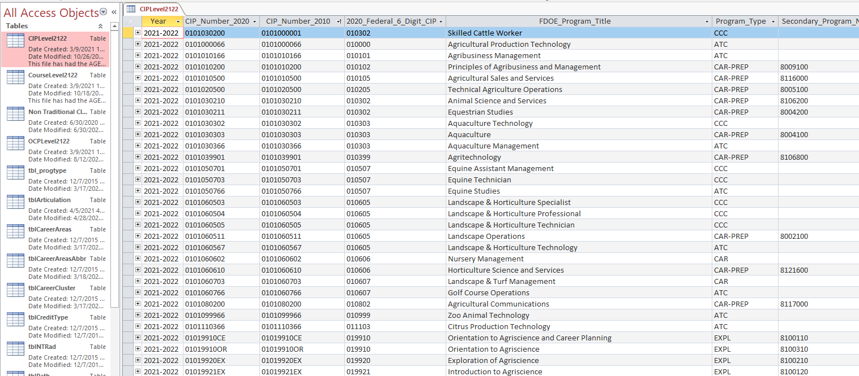

Filter CIP table by "Yes" in the Perkins_Fundable column. Located near the end of the CIP table columns.
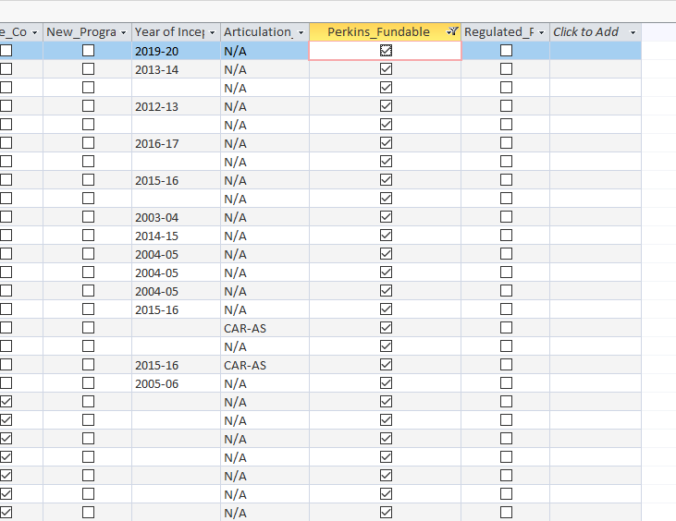

Filter Secondary_Program_Number for "Blanks"

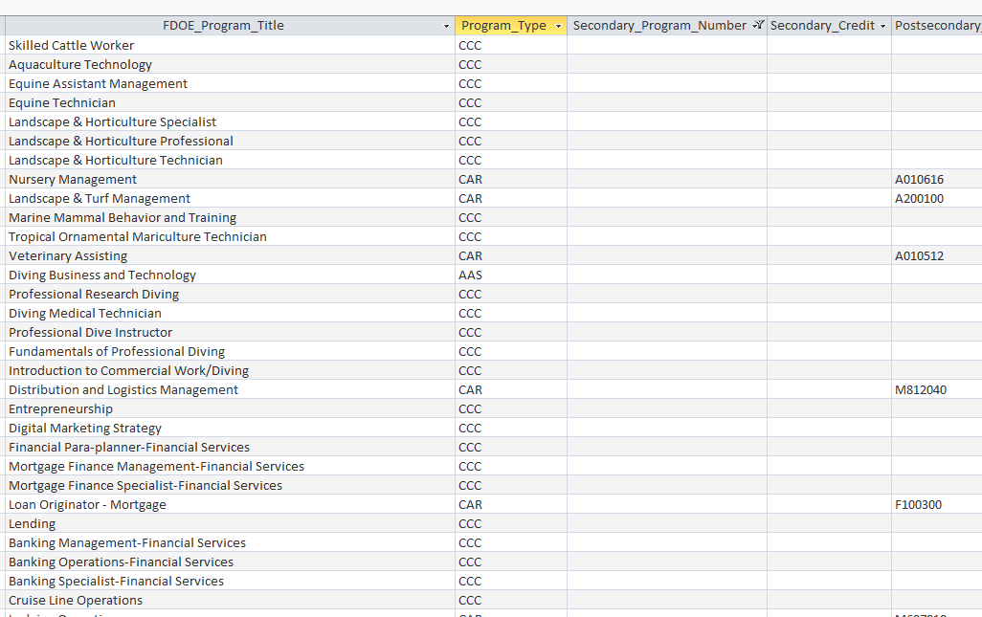

Remove CWE, ATC from Program_Type (review this step annualy in case of inclusion in current year business rules)
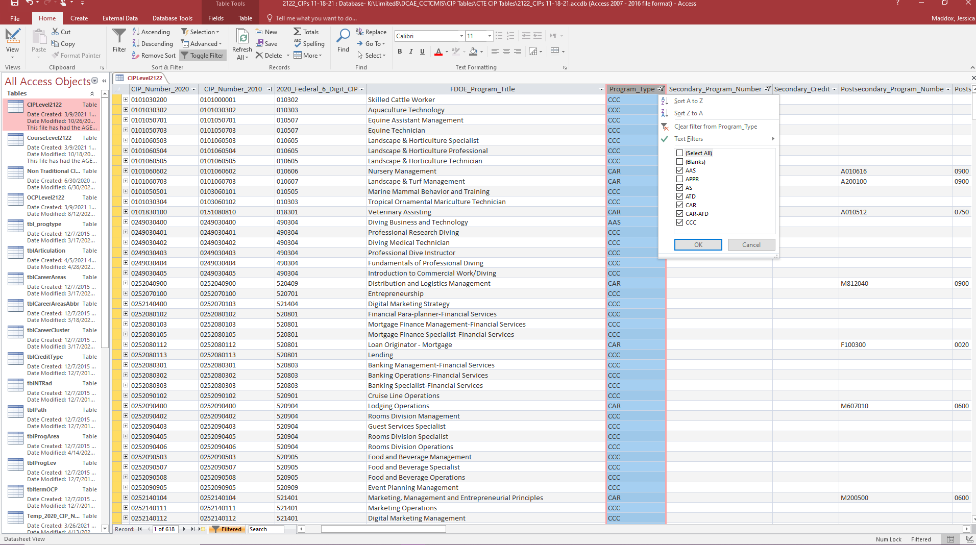

Insert final ilst on previous tab. Using columns visible as a guide. Follow highlighted notes from previous tabs

