Title
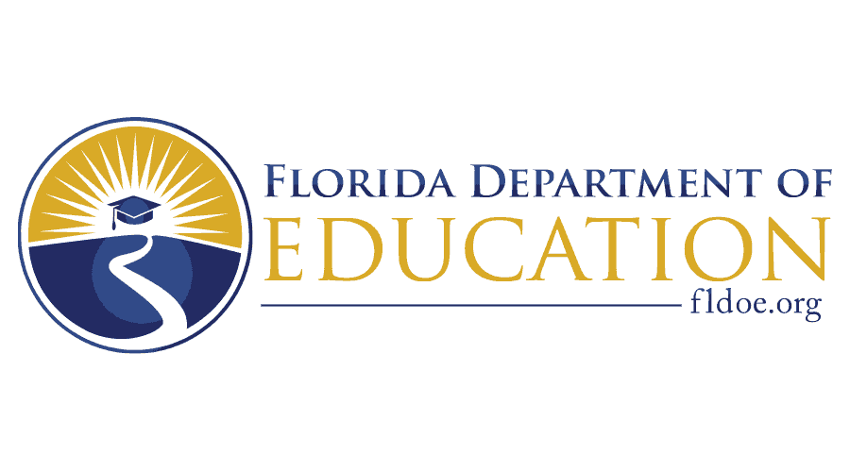
2026–2027 Pathways to Career Opportunities Grant — Grow Your Own Teacher Apprenticeship Program (PCOG-GYO) Project Concept Excel Workbook
Governor Ron DeSantis Commissioner of Education Anastasios Kamoutsas
TAPS# 27B152
Updated 03/26/2026

PCOG_Instructions
Florida Department of Education (FDOE) Pathways to Career Opportunities Grant — Grow Your Own Teacher Apprenticeship Program Project Concept Instructions
IMPORTANT: Please read the Summary and Checklist.
Please use 12-point font throughout this Excel Worksheet.
Written responses should be clear and concise. Avoid excessive spaces. Program narrative boxes contain a character limit.
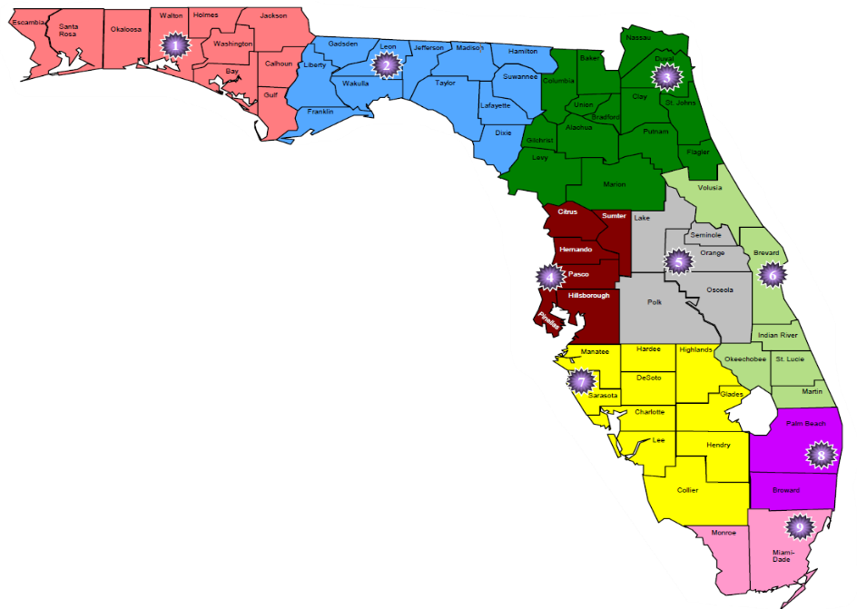 Use this Apprenticeship training regional map to answer questions about regions served.
You can see if a question has a drop-down menu by looking for the following icon next to that space.

